Analysis
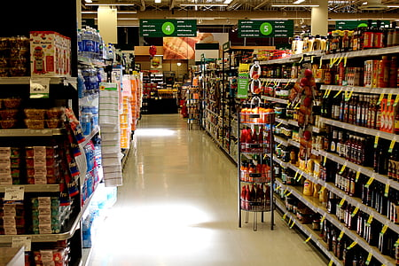

TOTAL SALES
$22,61,536.78
TOTAL ORDERS
1230

TOTAL CUSTOMERS
4922
AVERAGE ORDER VALUE
$11,33,229.39

Data
Sales by region
Sales by category
Row Labels | Sum of Sales
Central | $492,646.91
East | $669,518.73
South | $389,151.46
West | $710,219.68
Grand Total | $2,261,536.78

 |  |  |  |  |  | Row Labels | Sum of Sales
 |  |  |  |  |  | Furniture | $728,658.58
 |  |  |  |  |  | Office Supplies | $705,422.33
 |  |  |  |  |  | Technology | $827,455.87
 |  |  |  |  |  | Grand Total | $2,261,536.78

Sales by segment
 | Row Labels | Sum of Sales
 | Phones | $327,782.45
 | Chairs | $322,822.73
 | Storage | $219,343.39
 | Tables | $202,810.63
 | Binders | $200,028.79
 | Machines | $189,238.63
 | Accessories | $164,186.70
 | Copiers | $146,248.09
 | Bookcases | $113,813.20
 | Appliances | $104,618.40
 | Furnishings | $89,212.02
 | Paper | $76,828.30
 | Supplies | $46,420.31
 | Art | $26,705.41
 | Envelopes | $16,128.05
 | Labels | $12,347.73
 | Fasteners | $3,001.96
Sales by region
 | Grand Total | $2,261,536.78

 |  |  |  | Row Labels | Sum of Sales
 |  |  |  | California | $446,306.46
 |  |  |  | New York | $306,361.15
 |  |  |  | Texas | $168,572.53
 |  |  |  | Washington | $135,206.85
 |  |  |  | Pennsylvania | $116,276.65
 |  |  |  | Florida | $88,436.53
 |  |  |  | Illinois | $79,236.52
 |  |  |  | Michigan | $76,136.07
 |  |  |  | Ohio | $75,130.35
 |  |  |  | Virginia | $70,636.72
 |  |  |  | North Carolina | $55,165.96
 |  |  |  | Indiana | $48,718.40
 |  |  |  | Georgia | $48,219.11
 |  |  |  | Kentucky | $36,458.39
 |  |  |  | Arizona | $35,272.66
 |  |  |  | New Jersey | $34,610.97
 |  |  |  | Colorado | $31,841.60
 |  |  |  | Wisconsin | $31,173.43
 |  |  |  | Tennessee | $30,661.87
 |  |  |  | Minnesota | $29,863.15
 |  |  |  | Massachusetts | $28,634.43
 |  |  |  | Delaware | $27,323.00
 |  |  |  | Maryland | $23,705.52
 |  |  |  | Rhode Island | $22,525.03
 |  |  |  | Missouri | $22,205.15
 |  |  |  | Oklahoma | $19,683.39
 |  |  |  | Alabama | $19,510.64
 |  |  |  | Oregon | $17,284.46
 |  |  |  | Nevada | $16,729.10
 |  |  |  | Connecticut | $13,384.36
 |  |  |  | Arkansas | $11,678.13
 |  |  |  | Utah | $11,220.06
 |  |  |  | Mississippi | $10,771.34
 |  |  |  | Louisiana | $9,131.05
 |  |  |  | Vermont | $8,929.37
 |  |  |  | South Carolina | $8,481.71
 |  |  |  | Nebraska | $7,464.93
 |  |  |  | New Hampshire | $7,292.52
 |  |  |  | Montana | $5,589.35
 |  |  |  | New Mexico | $4,783.52
 |  |  |  | Iowa | $4,443.56
 |  |  |  | Idaho | $4,382.49
 |  |  |  | Kansas | $2,914.31
 |  |  |  | District of Columbia | $2,865.02
 |  |  |  | Wyoming | $1,603.14
 |  |  |  | South Dakota | $1,315.56
 |  |  |  | Maine | $1,270.53
 |  |  |  | West Virginia | $1,209.82
 |  |  |  | North Dakota | $919.91
 |  |  |  | Grand Total | $2,261,536.78

Monthly Sales Trend

 |  | Row Labels | Sum of Sales
 |  | 2015 | $479,856.21
 |  | January | $14,205.71
 |  | February | $4,519.89
 |  | March | $55,205.80
 |  | April | $27,906.85
 |  | May | $23,644.30
 |  | June | $34,322.94
 |  | July | $33,781.54
 |  | August | $27,117.54
 |  | September | $81,623.53
 |  | October | $31,453.39
 |  | November | $77,907.66
 |  | December | $68,167.06
 |  | 2016 | $459,436.01
 |  | January | $18,066.96
 |  | February | $11,951.41
 |  | March | $32,339.32
 |  | April | $34,154.47
 |  | May | $29,959.53
 |  | June | $23,599.37
 |  | July | $28,608.26
 |  | August | $36,818.34
 |  | September | $63,133.61
 |  | October | $31,011.74
 |  | November | $75,249.40
 |  | December | $74,543.60
 |  | 2017 | $600,192.55
 |  | January | $18,542.49
 |  | February | $22,978.82
 |  | March | $51,165.06
 |  | April | $38,679.77
 |  | May | $56,656.91
 |  | June | $39,724.49
 |  | July | $38,320.78
 |  | August | $30,542.20
 |  | September | $69,193.39
 |  | October | $59,583.03
 |  | November | $79,066.50
 |  | December | $95,739.12
 |  | 2018 | $722,052.02
 |  | January | $43,476.47
 |  | February | $19,921.00
 |  | March | $58,863.41
 |  | April | $35,541.91
 |  | May | $43,825.98
 |  | June | $48,190.73
 |  | July | $44,825.10
 |  | August | $62,837.85
 |  | September | $86,152.89
 |  | October | $77,448.13
 |  | November | $117,938.16
 |  | December | $83,030.39
 |  | Grand Total | $2,261,536.78

Dashboard
SUPERSTORE SALES ANALYSIS

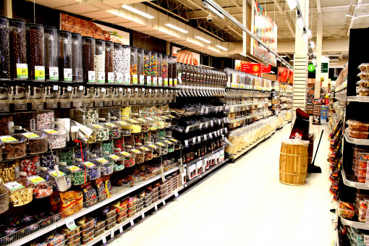
 | SUPERSTORE SALES ANALYSIS

TOTAL ORDERS
1230
Monthly sales trend
 | Total
January | $14,205.71
February | $4,519.89
March | $55,205.80
April | $27,906.85
May | $23,644.30
June | $34,322.94
July | $33,781.54
August | $27,117.54
September | $81,623.53
October | $31,453.39
November | $77,907.66
December | $68,167.06
January | $18,066.96
February | $11,951.41
March | $32,339.32
April | $34,154.47
May | $29,959.53
June | $23,599.37
July | $28,608.26
August | $36,818.34
September | $63,133.61
October | $31,011.74
November | $75,249.40
December | $74,543.60
January | $18,542.49
February | $22,978.82
March | $51,165.06
April | $38,679.77
May | $56,656.91
June | $39,724.49
July | $38,320.78
August | $30,542.20
September | $69,193.39
October | $59,583.03
November | $79,066.50
December | $95,739.12
January | $43,476.47
February | $19,921.00
March | $58,863.41
April | $35,541.91
May | $43,825.98
June | $48,190.73
July | $44,825.10
August | $62,837.85
September | $86,152.89
October | $77,448.13
November | $117,938.16
December | $83,030.39
TOTAL SALES
$22,61,536.78
Sales by category
 | Total
Furniture | $728,658.58
Office Supplies | $705,422.33
Technology | $827,455.87

TOTAL CUSTOMERS
4922
AVERAGE ORDER VALUE
$1838.64

Sales by region
 | Total
Central | $492,646.91
East | $669,518.73
South | $389,151.46
West | $710,219.68
Sales by sub-category
 | Total
Phones | $327,782.45
Chairs | $322,822.73
Storage | $219,343.39
Tables | $202,810.63
Binders | $200,028.79
Machines | $189,238.63
Accessories | $164,186.70
Copiers | $146,248.09
Bookcases | $113,813.20
Appliances | $104,618.40
Furnishings | $89,212.02
Paper | $76,828.30
Supplies | $46,420.31
Art | $26,705.41
Envelopes | $16,128.05
Labels | $12,347.73
Fasteners | $3,001.96

